ABOUT THIS PROJECT
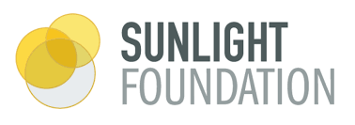 | Tracking Trump's Conflicts of Interest
Who we are | This database is a project of the Sunlight Foundation, compiled by data journalist Hilary Niles.
 | This project is supported by the Lodestar Foundation.
Creative Commons license | This work by Sunlight Foundation is licensed under a Creative Commons Attribution 4.0 International License. We invite you to peruse, scrutinize, and help us add to what we find. In exchange, we ask only that you share with us how you put it to use. (See contact information, below.)
Methodology | For notes on our general approach and specific methodology, see:
 | How we’re tracking President Trump’s conflicts of interest
 | More sunshine for the Trump Family’s global conflicts of interest
 | NOTE: This database will change as we continue to report out this project. We'll add new-found or newly documented conflicts. We'll also investigate and clarify existing records, which may result in some status notes switching from "resolved" to "active" or vice versa.
We are building this for you. | If you see conflicts that are not here and merit public scrutiny, please tell us so that we can tell others. As we continue to build out this project, we also want to know what additions you would find most useful and how you’d like to interact with the database. Please email us to share your thoughts, make a request or find out more about how you can get involved.
Contact | Alex Howard, deputy director of the Sunlight Foundation
 | Hilary Niles, independent journalist
Tracking Traffic | To help us track traffic on our database, we've used a script that measures visits to each tab of this spreadsheet. It's all through Google Analytics, which does not tell us your IP address or even collect your location. This ensures your privacy, which we respect. Please let us know if you have any questions.

